OFFER
 |  |  |  |  | Retail | £283,500.00 |  | 6211 | C | 1 | 2 | 3 | 4 | 5 | 6 | 7
 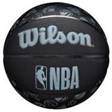 | WILSON NBA ALL TEAM BSKT BL | A | WTB1300XBNBA | X | £40.00 | £41,720.00 | ONE | 1043 | C |  |  |  |  |  | 526 | 517
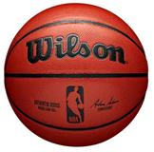 | WILSON NBA AUTHENTIC INDOOR COMP BSKT | A | WTB7100XB0 | X | £70.00 | £51,030.00 | ONE | 729 | C |  |  |  |  |  | 729
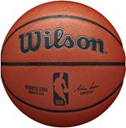 | WILSON NBA AUTHENTIC INDOOR OUTDOOR BSKT | A | WTB7200XB | X | £50.00 | £30,700.00 | ONE | 614 | C |  |  |  |  |  | 614
 | WILSON NBA FORGE BSKT BLUE GREY | A | WTB8203XB0 | X | £45.00 | £44,010.00 | ONE | 978 | C |  |  |  |  | 238 | 418 | 322
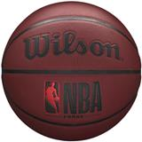 | WILSON NBA FORGE BSKT CRIMSON | A | WTB8201XB | X | £45.00 | £62,550.00 | ONE | 1390 | C |  |  |  |  |  | 964 | 426
 | WILSON NBA FORGE PLUS ECO BSKT Green | A | WZ2010902XB | X | £50.00 | £23,600.00 | ONE | 472 | C |  |  |  |  |  |  | 472
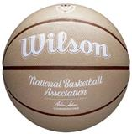 | WILSON NBA FORGE PLUS HERITAGE BSKT Tan | A | WZ2008801XB | X | £50.00 | £11,550.00 | ONE | 231 | C |  |  |  |  |  |  | 231
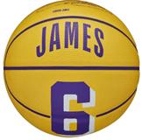 | WILSON NBA PLAYER ICON MINI BSKT LEBRON | A | WZ4007201XB | X | £20.00 | £11,820.00 | ONE | 591 | C |  |  | 591
 | WILSON SHOWCASE COMP BSKT | A | WZ2005701XB | X | £40.00 | £6,520.00 | ONE | 163 | C |  |  |  |  |  | 63 | 100

