tab
 | SKU | EAN | DESCRIPTION | QTY | RETAIL | Price
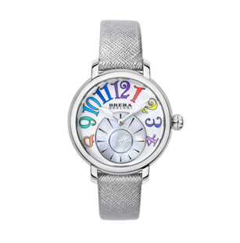 | BRVAMO3801-SLV-SAF | 856431007756 | Brera Orologi Valentina Modern Collection Women's Watch Analogue Quartz Steel Case White Dial-Mop Color Indxs Silver Saffiano Strap | 13 | € 349.00 | € 94.95
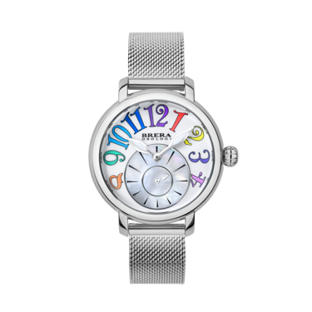 | BRVAMO3801-SS-MIL | 856431007763 | Brera Orologi Valentina Modern Collection Women's Watch Analogue Quartz Steel Case White Dial Mop Color Indxs - SS BRACELET | 5 | € 349.00 | € 94.95 | 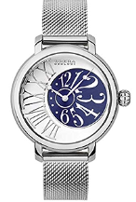 | 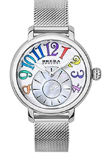
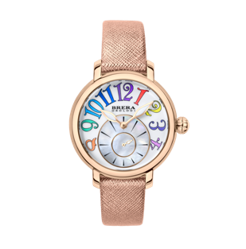 | BRVAMO3802-RGD-SAF | 856431007787 | Brera Orologi Valentina Modern Collection Women's Watch Analogue Quartz Rose Gold Case White Dial Mop Color Indxs - Rose Gold Saffiano Strap | 12 | € 349.00 | € 94.95
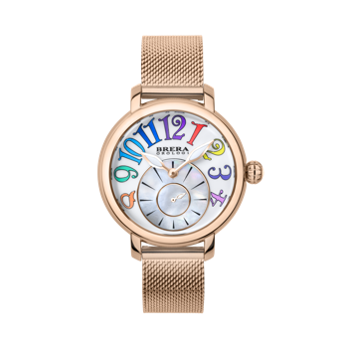 | BRVAMO3802-RG-MIL | 856431007770 | Brera Orologi Valentina Modern Collection Women's Watch Analogue Quartz Rose Gold Case White Dial Mop Color Indxs - Rose Gold BRACELET | 5 | € 349.00 | € 94.95
 | BRVAMO3803-YGD-SAF | 856431007800 | Brera Orologi Valentina Modern Collection Women's Watch Analogue Quartz YELLOW Gold Case White Dial Mop Color Indxs - YELLOW Gold Saffiano Strap | 10 | € 349.00 | € 94.95
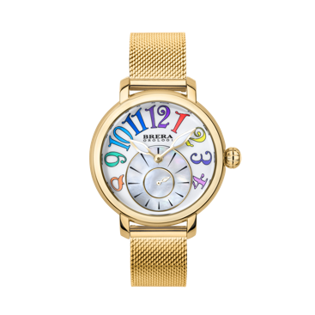 | BRVAMO3803-YG-MIL | 856431007794 | Brera Orologi Valentina Modern Collection Women's Watch Analogue Quartz YELLOW Gold Case White Dial Mop Color Indxs - YELLOW Gold BRACELET | 9 | € 349.00 | € 94.95
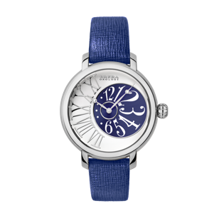 | BRVAEL3801-BLU-SAF | 856431007817 | Brera Orologi Valentina Watch Elegant, S/S case, White / BLUE Dial, SS / White Indxs, 16 mm S/S BLUE Saffiano Strap | 2 | € 349.00 | € 94.95
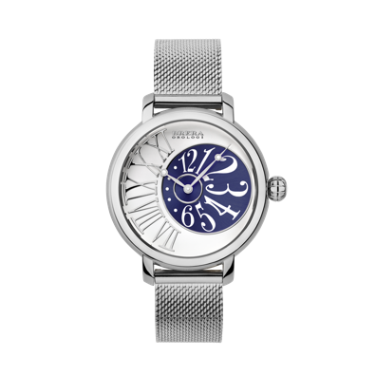 | BRVAEL3801-SS-MIL | 856431007824 | Brera Orologi Valentina Watch Elegant, S/S case, White / BLUE Dial, SS / White Indxs, 16 mm S/S Milanese Bracelet. | 4 | € 349.00 | € 94.95
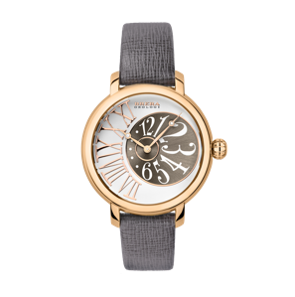 | BRVAEL3802-GRY-SAF | 856431007831 | Brera Orologi Valentina Watch Elegant, R/G case, White / Gray Dial, RG / White Indxs, 16 mm R/G GRAY Saffiano Strap | 3 | € 349.00 | € 94.95
 | BRVAEL3802-RG-MIL | 856431007848 | BRERA VALENTINA ELEGANCE BRVAEL3802-RG-MIL | 1 | € 349.00 | € 94.95
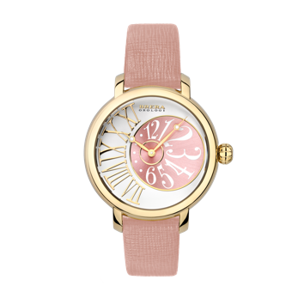 | BRVAEL3803-PNK-SAF | 856431007855 | Brera Orologi Brera Orologi Valentina Watch Elegant, Y/G case, White / PINK Dial, YG / White Indxs, 16 mm R/G PINK Saffiano Strap | 6 | € 349.00 | € 94.95
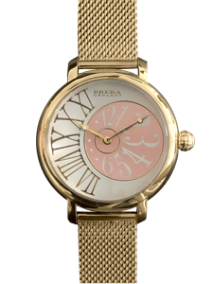 | BRVAEL3803-YG-MIL | 856431007862 | Brera Orologi Valentina Watch Elegant, Y/G case, White / PINK Dial, YG / White Indxs, 16 mm R/G Milanese Bracelet. | 5 | € 349.00 | € 94.95
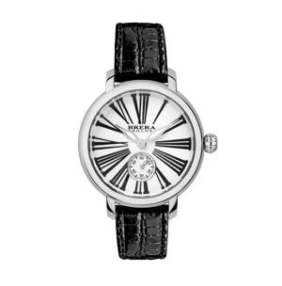 | BRVACL3801-BLK-LIZ | 856431007879 | Brera Orologi Valentina Watch Classic, Steel case, White Dial, Blk Indxs, Lizard Print Leather Black, 16mm, Steel Buckle. | 5 | € 349.00 | € 94.95
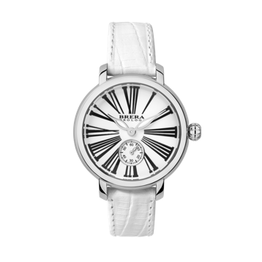 | BRVACL3801-WHI-LIZ | 856431007909 | Brera Orologi Valentina Watch Classic, Steel case, White Dial, Blk Indxs, Lizard Print Leather WHITE, 16mm, Steel Buckle. | 2 | € 349.00 | € 94.95
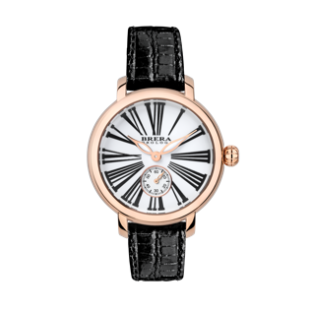 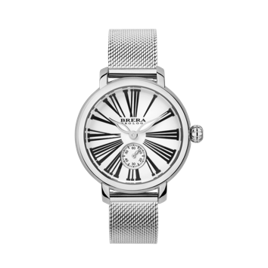 | BRVACL3802-BLK-LIZ | 856431007916 | Brera Orologi Valentina Watch Classic, R/G case, White Dial, Blk Indxs, Lizard Print Leather Black, 16mm, R/G Buckle. | 5 | € 349.00 | € 94.95
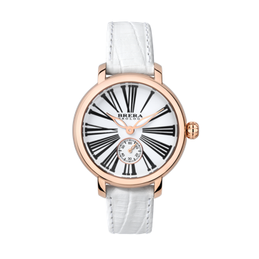 | BRVACL3802-WHI-LIZ | 856431007930 | Brera Orologi Valentina Watch Classic, R/G case, White Dial, Blk Indxs, Lizard Print Leather WHITE, 16mm, R/G Buckle. | 6 | € 349.00 | € 94.95
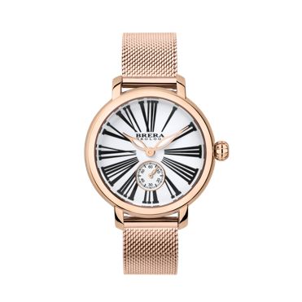 | BRVACL3802-RG-MIL | 856431007923 | Brera Orologi Valentina Watch Classic, R/G case, White Dial, Blk Indxs, BRACELET | 8 | € 349.00 | € 94.95
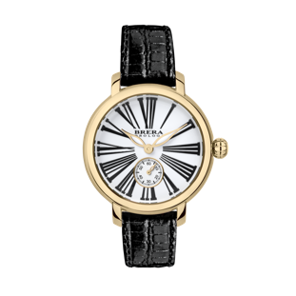 | BRVACL3803-BLK-LIZ | 856431007947 | Brera Orologi Valentina Watch Classic, Y/G case, White Dial, Blk Indxs, Lizard Print Leather Black, 16mm, Y/G Buckle. | 10 | € 349.00 | € 94.95
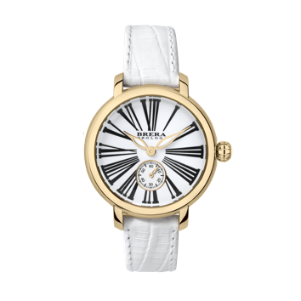 | BRVACL3803-WHI-LIZ | 856431007954 | Brera Orologi Valentina Watch Classic, Y/G case, White Dial, Blk Indxs, Lizard Print Leather WHITE, 16mm, Y/G Buckle. | 2 | € 349.00 | € 94.95
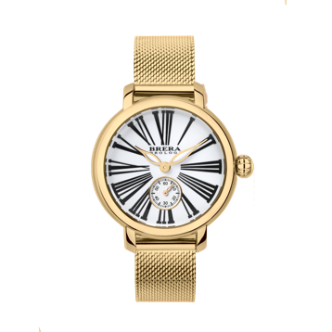 | BRVACL3803-YG-MIL | 856431007985 | Brera Orologi Valentina Watch Classic, Y/G case, White Dial, Blk Indxs, BRACELET | 11 | € 349.00 | € 94.95
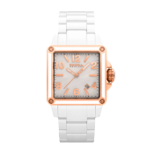 | BWST2CWHRGN | 816747012448 | Brera Orologi Valentina Watch White Ceramic, Rose Gold Accents white Ceramic Bracelet | 45 | € 895.00 | € 250.00
 |  |  |  | 169

