Blad1
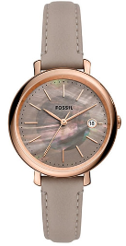
 | Brand | Model | EAN | DESCRIPTION | QTY | RETAIL | PRICE
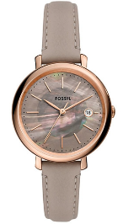 | FOSSIL® | ES5091 | 4064092057157 | Fossil Jacqueline Ladies Watch | 136 | € 169.00 | € 62.90
 |  |  |  |  | 136

