tab
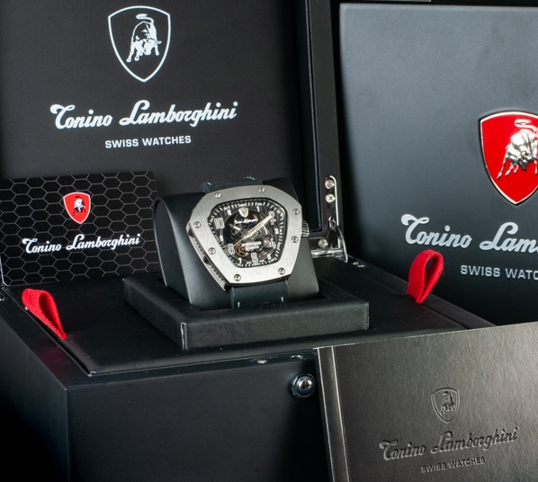
 | Brand | Description | Model | EAN | Reference | QTY | Retail | Price
 | Tonino Lamborghini | Swiss Made Automatic Sellita SW200-1 Movement with 26 Jewels, 28,800 bph, 4Hz, Power Reserve of 38 Hours. Branded Ruthenium Plated Rotor. 42mm x 12mm Black DLC Titanium Case with Satin Finish. ﻿Double Black DLC Titanium Bridge.﻿ Anti-Reflective Sapphire Crystal. Screw Down Titanium Crown. Bi-Directional Titanium Bezel with Applied Ball Bearings. Skeleton Dial with Fumé Sapphire Glass and Luminous Stainless Steel Hands and Markers. Blue Details. Tonino Lamborghini Shield at 12 O'Clock. 22mm x 20cm Black Italian Leather Strap with Blue Stitching and Rubber Inserts. Titanium Coated Stainless Steel Deployment Buckle. Tonino Lamborghini Engraved on the Buckle Water Resistant to 100 Meters 10ATM | Cuscinetto R Blue | 8054110770034 | TLF-T02-4 | 44 | 2,600.00 € | 950.00 €
 | Tonino Lamborghini | Swiss Made Automatic Sellita SW200-1 Movement with 26 Jewels, 28,800 bph, 4Hz, Power Reserve of 38 Hours. Date Window. 44mm x 15mm Black DLC Titanium Case with Satin Finish with 4 Torx Screws. Anti-Reflective Sapphire Crystal. Screw Down, Double Seal, Titanium Crown. Uni-Directional Titanium Bezel with Black Insert. Black Monochrome Dial with Luminous Stainless Steel Hands and Markers. Tonino Lamborghini Shield at 12 O'Clock. Date Window at 6 O'Clock 28/18mm x 20cm Black Italian Leather Strap with Blue Stitching and Rubber Inserts. Black DLC Titanium Deployment Buckle. Tonino Lamborghini Engraved on the Buckle Water Resistant to 300 Meters 30ATM | PANFILO BLACK / ORANGE | 8054110772687 | TLF-T03-3 | 17 | 2,300.00 € | 875.00 €
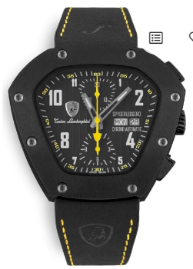 | Tonino Lamborghini | Swiss Made Automatic Sellita SW500 Chronograph Day & Date Movement with 25 Jewels, 28,800 bph, 4Hz, Power Reserve of 48 Hours. 30 Minute Counter, 12 Hour Counter, Day and Date. 51.5mm x 46mm x 17mm Black DLC Titanium Base and Bezel with a Yellow Anti-Corodal Aluminium Centre held together with 8 Torx Screws. Anti-Reflective Sapphire Crystal. Titanium Crown. | Spyderleggero Chronograph Day Date Yellow | 8054110772779 | TLF-T07-3 | 21 | 4,100.00 € | 1,425.00 €
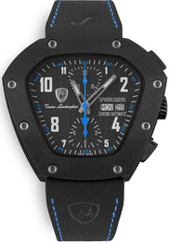 | Tonino Lamborghini | Swiss Made Automatic Sellita SW500 Chronograph Day & Date Movement with 25 Jewels, 28,800 bph, 4Hz, Power Reserve of 48 Hours. 30 Minute Counter, 12 Hour Counter, Day and Date. 51.5mm x 46mm x 17mm Black DLC Titanium Base and Bezel with a Blue Anti-Corodal Aluminium Centre held together with 8 Torx Screws. Anti-Reflective Sapphire Crystal. Titanium Crown. | Spyderleggero Chronograph Day Date Blue | 8054110772786 | TLF-T07-4 | 39 | 4,100.00 € | 1,425.00 €
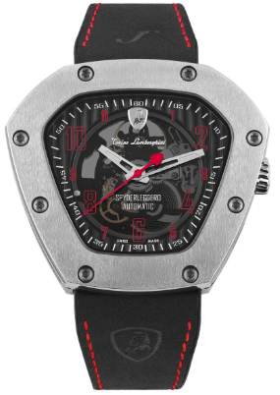 | Tonino Lamborghini | Swiss Made Automatic Sellita SW200-1 Movement with 26 Jewels, 28,800 bph, 4Hz, Power Reserve of 38 Hours. 51.5mm x 46mm x 12mm Titanium Base and Bezel with a Red Anti-Corodal Aluminium Centre ﻿held together with 8 Torx Screws. Anti-Reflective Sapphire Crystal. Titanium Crown. Open Sapphire Crystal Case Back | Spyderleggero Skeleton Red | 8054110772809 | TLF-T06-2 | 9 | 3,900.00 € | 1,375.00 € | 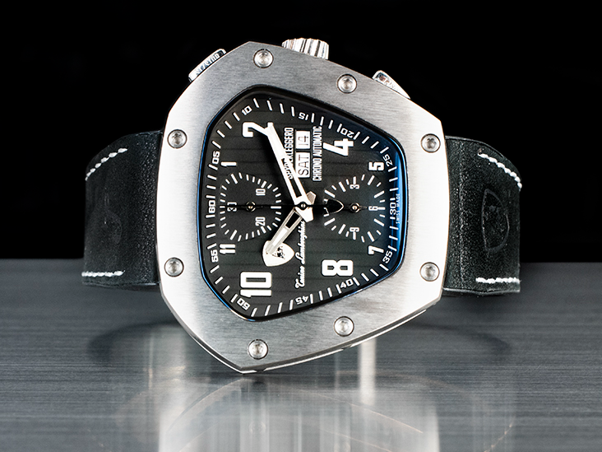
 |  |  |  |  |  | 130

