tab
 | Brand | Item Nr | EAN | Description | QTY | Retail | Price
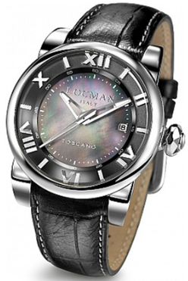 | Locman® Italy | 0590V10-00MKPSK | 8053830588257 | Toscano Mens watch 42 mm Automatic | 22 | € 998.00 | € 229.64 | 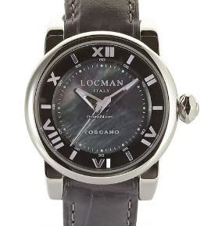 | 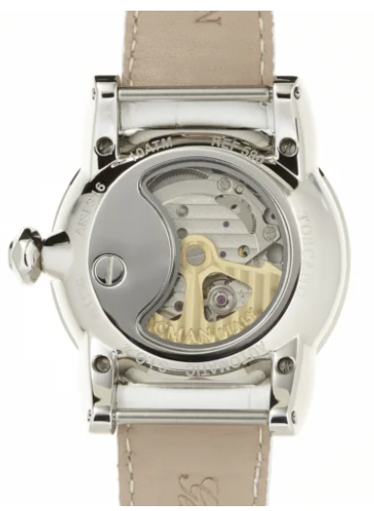
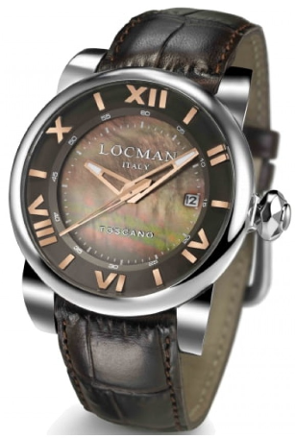 | Locman® Italy | 0590V11-00MNPSN | 8053830588264 | Toscano Mens watch 42 mm Automatic | 47 | € 998.00 | € 229.64 | 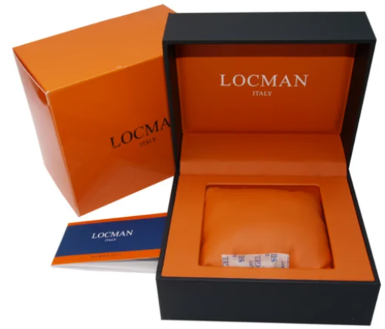
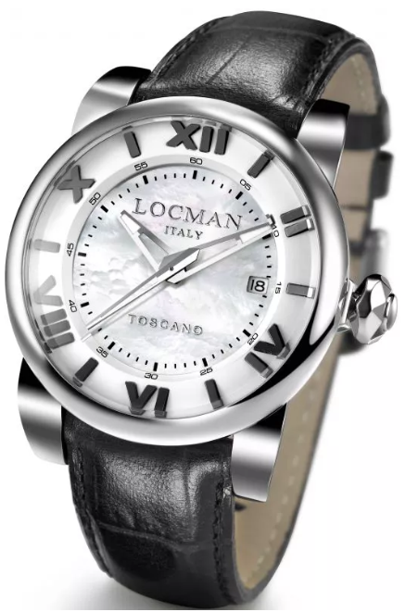 | Locman® Italy | 0590V12-00MWPSA | 9900000189105 | Toscano Mens watch 42 mm Automatic | 22 | € 998.00 | € 229.64
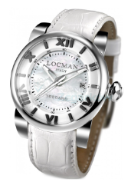 | Locman® Italy | 0590V12-00MWPSW | 8053830588295 | Toscano Mens watch 42 mm Automatic | 18 | € 998.00 | € 199.64
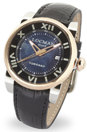 | Locman® Italy | 0590V13-0RMKPSK | 9900000190408 | Toscano Mens watch 42 mm Automatic | 57 | € 1,098.00 | € 229.64
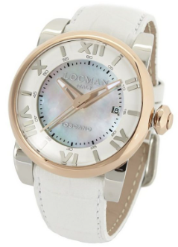 | Locman® Italy | 0590V14-0RMWPSW | 8053830588325 | Toscano Mens watch 42 mm Automatic | 62 | € 1,098.00 | € 229.64
 |  |  |  |  | 228

