tab
 | Brand | Code | EAN | Description | QTY | Retail | Price
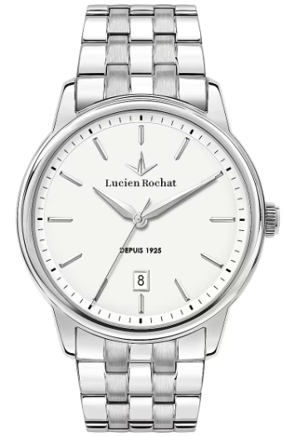 | Lucien Rochat | R0453116001 | 8033288923688 | LEMAN 41MM CHR WHITE SILVER DIAL BLK STR | 24 | € 249.00 | € 144.95
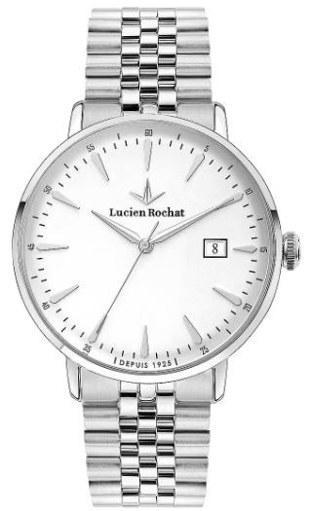 | Lucien Rochat | R0453120004 | 8033288965350 | GARÇON 41MM 3H W/SILVER DIAL BR SS | 14 | € 239.00 | € 144.95 | 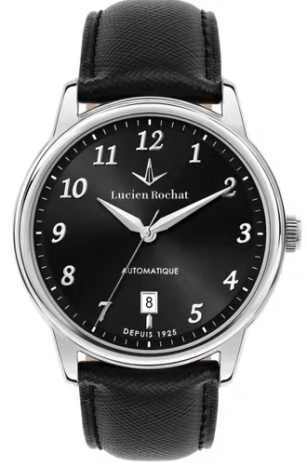 | 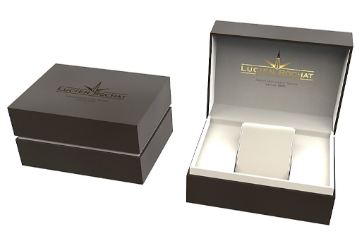
 |  |  |  |  | 38

