tab
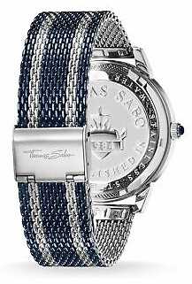
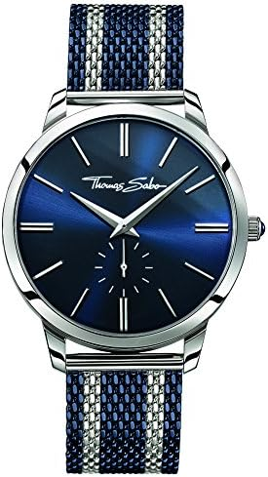
Brand | item number | EAN | QTY | Retail | Price
Thomas Sabo | WA0268-281-209-42 MM | 4051245263282 | 82 | 229.00 € | € 97.25
Thomas Sabo | WA0273-283-201-33 MM | 4051245263336 | 68 | 189.00 € | € 87.25
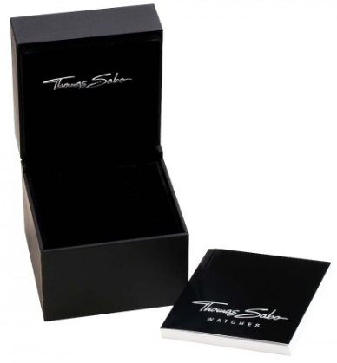
Thomas Sabo | WA0215-265-209-33 MM | 4051245156317 | 32 | 249.00 € | € 112.25
Thomas Sabo | WA0177-265-206-42 MM | 4051245085983 | 16 | 249.00 € | € 112.25
Thomas Sabo | WA0323-221-203-38 MM | 4051245358247 | 12 | 329.00 € | € 122.25
 |  |  | 210

